Sheet1
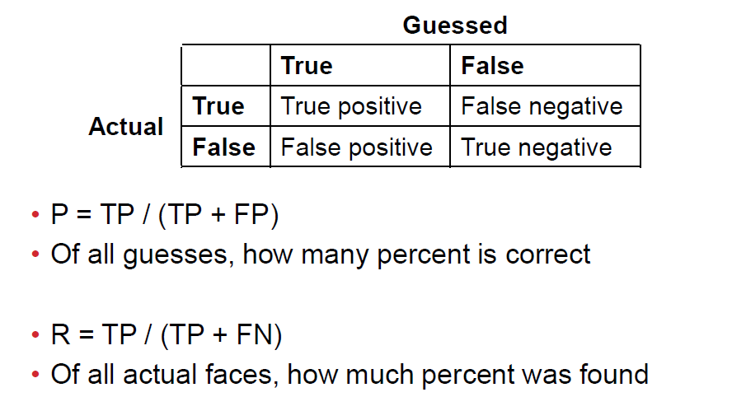
Parameters/images | Precission | Recall | Fscore | FscoreAll | True Positives | False Positives | False Negatives
low c img 1 | 1 | 1 | 0.79518072289 |  | 4 | 0 | 0
low c img 2 | 0.66666666667 | 1 | 0.8 |  | 2 | 1 | 0
low c img 3 | 1 | 1 | 1 |  | 0 | 0 | 0
mid c img 1 | 0.83333333333 | 1 | 0.90909090909 |  | 5 | 1 | 0
mid c img 2 | 0.75 | 1 | 0.85714285714 |  | 3 | 1 | 0
mid c img 3 | 1 | 1 | 1 |  | 0 | 0 | 0
kernel linear img 1 | 1 | 1 | 1 |  | 3 | 0 | 0
kernel linear img 2 | 0.75 | 1 | 0.85714285714 |  | 3 | 1 | 0
kernel linear img 3 | 0 | #DIV/0! | 0 |  | 0 | 4 | 0
kernel linear img 4 | #DIV/0! | #DIV/0! | 1 |  | 0 | 0 | 0
kernel chi2 img 1 | 1 | 1 | 1 |  | 2 | 0 | 0
kernel chi2 img 2 | 1 | 1 | 1 |  | 2 | 0 | 0
kernel chi2 img 3 | 0 | #DIV/0! | 0 |  | 0 | 2 | 0
kernel chi2 img 4 | #DIV/0! | #DIV/0! | 1 |  | 0 | 0 | 0
 | #DIV/0! | #DIV/0! | #DIV/0!
 | #DIV/0! | #DIV/0! | #DIV/0!
 | #DIV/0! | #DIV/0! | #DIV/0!
 | #DIV/0! | #DIV/0! | #DIV/0!
 | #DIV/0! | #DIV/0! | #DIV/0!
 | #DIV/0! | #DIV/0! | #DIV/0!
 | #DIV/0! | #DIV/0! | #DIV/0!
 | #DIV/0! | #DIV/0! | #DIV/0!
 | #DIV/0! | #DIV/0! | #DIV/0!
 | #DIV/0! | #DIV/0! | #DIV/0!
 | #DIV/0! | #DIV/0! | #DIV/0!
 | #DIV/0! | #DIV/0! | #DIV/0!
 | #DIV/0! | #DIV/0! | #DIV/0!
 | #DIV/0! | #DIV/0! | #DIV/0!
 | #DIV/0! | #DIV/0! | #DIV/0!
 | #DIV/0! | #DIV/0! | #DIV/0!

